BUG-001-FEATURED-ADD-TO-CART
Field | Detail
Bug ID | BUG-001-FEATURED-ADD-TO-CART
Module/Page | Home Page - Featured Products Section
Severity | High / Critical
Bug Title | Featured Products "Add to Cart" button redirects user instead of adding the item directly to the cart.
Actual Result | The user is redirected to the individual Product Details Page of the selected item instead of adding the item to the cart.
Steps to Reproduce (STR) | 1. Go to the Home Page. / 2. Scroll down to the Featured Products section. / 3. Click the "Add to Cart" button on Product No. 3 or 4.

Evidence | some products link add to cart to product page not cart adding
 | 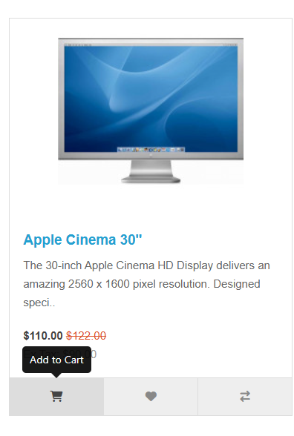

BUG-003-PRODUCT-REVIEW-FAIL
Field | Detail
Bug ID | BUG-003-PRODUCT-REVIEW-FAIL
Module/Page | Product Page - Reviews Tab
Severity | High
Bug Title | User Reviews fail to be submitted/recorded in the system.
Actual Result | No action is taken; the review is not submitted or registered in the system after clicking "Continue."
Steps to Reproduce (STR) | 1. Open any Product Page. / 2. Click the "Write a Review" tab. / 3. Fill out the review fields and click "Continue".

Evidence | review is not submitted
 | 

BUG-004-BANNER1-WRONG-LINK
Field | Detail
Bug ID | BUG-004-BANNER1-WRONG-LINK
Module/Page | Home Page - Slide Show Banner (Banner 1)
Severity | Medium
Bug Title | Banner 1 link directs the user to an incorrect product page.
Actual Result | The user is redirected to a product page that is different from the one advertised.
Steps to Reproduce (STR) | 1. Go to the Home Page. / 2. Locate the Slide Show banner. / 3. Click on Banner No. 1.

Evidence | a banner have a link to different product
 | 

BUG-005-BANNER2-DEFECTIVE-LINK
Field | Detail
Bug ID | BUG-005-BANNER2-DEFECTIVE-LINK
Module/Page | Home Page - Slide Show Banner (Banner 2)
Severity | Medium
Bug Title | Banner 2 link is defective and fails to navigate.
Actual Result | No navigation occurs; the link is non-functional or defective when clicked.
Steps to Reproduce (STR) | 1. Go to the Home Page. / 2. Locate the Slide Show banner. / 3. Click on Banner No. 2.

Evidence | No navigation happened
 | 

BUG-008-PRODUCT-SHARING-MISSING
Field | Detail
Bug ID | BUG-008-PRODUCT-SHARING-MISSING
Module/Page | Product Page
Severity | Medium
Bug Title | The expected Social Media Sharing link/icon is missing from the Product Page.
Actual Result | No sharing links for the product are found in the expected location (under the "Add to Cart" button).
Steps to Reproduce (STR) | 1. Open any Product Page. / 2. Look for the sharing link/icons under the "Add to Cart" button.

Evidence | Sharing link is not found
 | 

BUG-009-REGISTER-PRIVACY-VISUAL
Field | Detail
Bug ID | BUG-009-REGISTER-PRIVACY-VISUAL
Module/Page | Registration Page
Severity | Low
Bug Title | Mandatory Privacy Policy field is not visually marked with the required asterisk (*).
Actual Result | The field is mandatory but the asterisk sign (*) is missing.
Steps to Reproduce (STR) | 1. Open the Registration Page. / 2. Scroll down to the Privacy Policy section.

Evidence | (*) mandatory but don't have the sign of mandatory fields
 | 